Hiearchy View
CLASS: MONITOR SYSTEM
hardware or software component used to monitor system resources and performance in a computer system. |  | 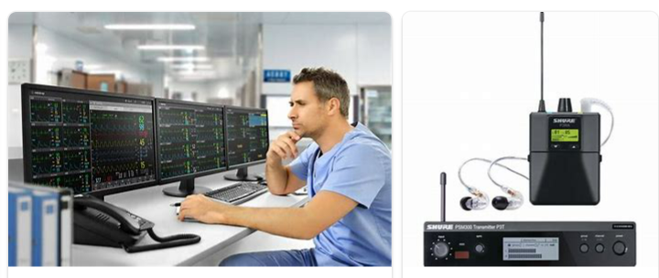
REMOVE | N

PROBLEM_DESC | CAUSE_DESC | REMEDY_DESC
ALARM/SENSOR
BROKEN/DAMAGED
OTHER PROBLEM
PESTS
POWER-ELEC
STOPPED/SLOWED/POOR OPS
TEMP-CTRL
VIBRATION
Grand Total

